Sheet1
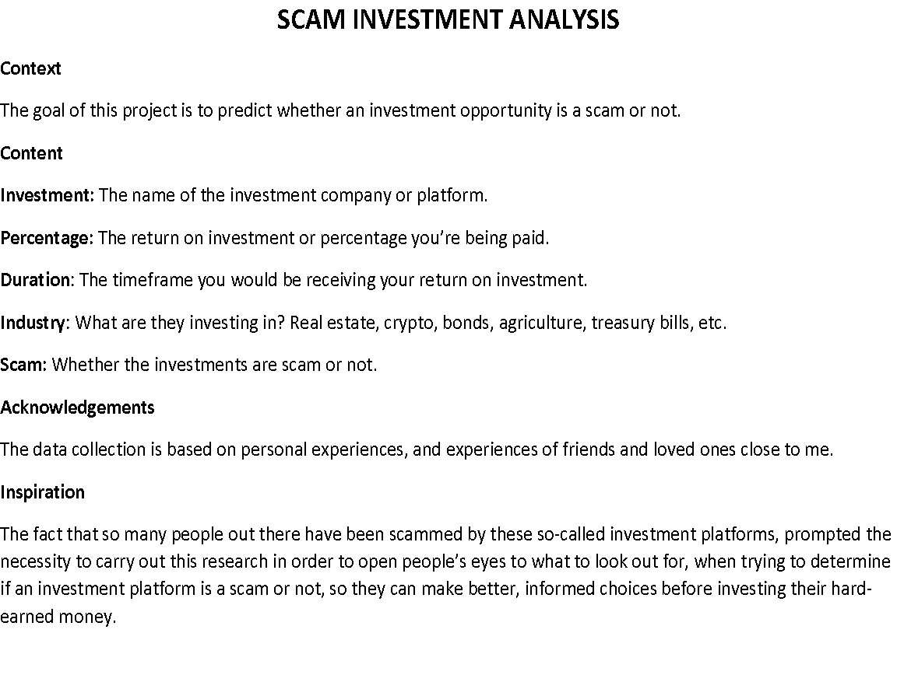
S/N | INVESTMENT | PERCENTAGE | DURATION | INDUSTRY | SCAM
1 | MMM | 25 | 30 | Unknown | Yes
2 | Forex Invest | 40 | 30 | Forex | Yes
3 | Ultimate Cycle | 100 | 7 | Unknown | Yes
4 | Chinmark | 6 | 30 | Real estate | No
5 | Farm Flick | 25 | 30 | Agriculture | No
6 | NFT invest | 15 | 30 | Crypto | No
7 | Growth | 100 | 1 | Crypto | Yes
8 | Verxio | 15 | 30 | Crypto | No
9 | Xchange | 100 | 7 | Forex | Yes
10 | Ulio | 50 | 10 | Crypto | Yes
11 | Six Sigma | 4.5 | 1 | Crypto | Yes
12 | Fxfarm | 45 | 30 | Forex | Yes
13 | My gold rev | 450 | 100 | Gold | Yes
14 | Carbon | 15.5 | 52 | Unknown | No
15 | Piggyvest | 10 | 52 | Unknown | No
16 | Cooperatives | 15 | Unknown | Unknown | Yes
17 | Farmcrowdy | 10 | 365 | Agriculture | No
18 | Risevest | 14 | 52 | Stocks | No
19 | I-invest | 10 | 4 | Treasury bills | No
20 | Pinkoin | 50 | 7 | Unknown | Yes
21 | Opay | 15 | 365 | Unknown | No
22 | Cowryrise | 10 | 365 | Unknown | No
23 | KenFarms | 10 | 365 | Agriculture | No
24 | Payday Investor | 7 | 365 | Unknown | No
25 | Growsel | 20 | 210 | Agriculture | No
26 | Wealth.ng | 22 | 365 | FinTech | No
27 | Farmfundr | 12 | 365 | Agriculture | No
28 | Payfarmer | 34 | 302 | Agriculture | No
29 | Thrive Agric | 25 | 270 | Agriculture | No
30 | Farm Partner | 30 | 365 | Agriculture | No
31 | Agrecourse | 20 | 180 | Agriculture | No
32 | Farmally | 7 | 120 | Agriculture | No
33 | Porkmoney | 30 | 334 | Agriculture | Yes
34 | E-farms | 15 | 180 | Agriculture | Yes
35 | E-poultry | 75 | 540 | Agriculture | No
36 | Agro Partnersgip | 28 | 365 | Agriculture | No
37 | FarmKart | 15 | 180 | Agriculture | No
38 | Groupfarma | 27 | 270 | Agriculture | No
39 | Farmfunded | 80 | 730 | Agriculture | No
40 | MBA Forex | 15 | 30 | Forex | Yes
41 | Brisk Capital Limited | 60 | 30 | Unknown | Yes
42 | Insha-Allahu Investment | 20 | 60 | Unknown | Yes
43 | Millionaire Club | 50 | 3 | Unknown | Yes
44 | Get Help Worldwide | 50 | 30 | Unknown | Yes
45 | Tonso Elite | 20 | 30 | Unknown | Yes

